Backroom
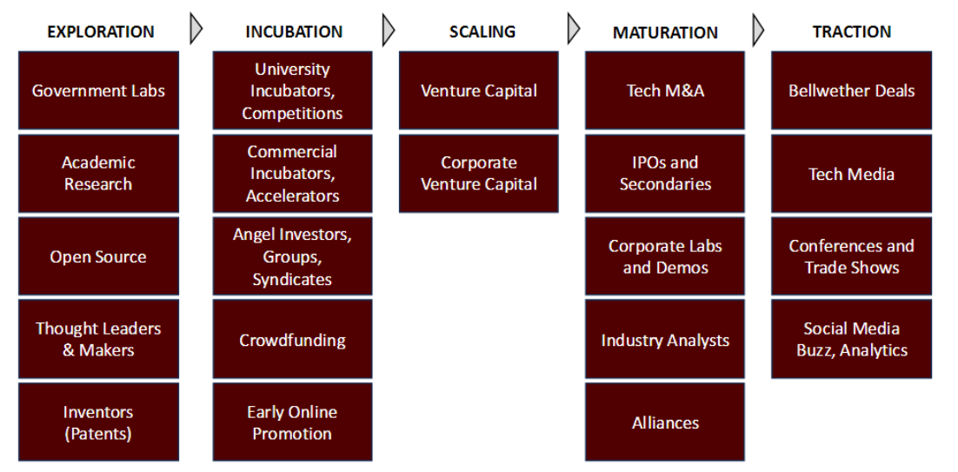
Source Category |  | Revelence score | TRANSPARENCY NOTICE
Exploration | Scaling | 1 (low) | I Used image to excel at https://imagetoexcel.com/ |  |  |  |  |  | Thoughts on potential technology routes:
Incubation |  | 2 | To convert the following image to the right
Scaling |  | 3 | into pastable excel cells below and later refined: |  |  |  |  |  | Increasing Hardware capabilities
Maturation |  | 4 | This was done to reduce time compared to Typing down |  |  |  |  |  | innovate network infastructure types: ~3 potential versions
Traction |  | 5 | each of these by hand.. Which in retrospect might have taken |  |  |  |  |  | Create in house game servers
 |  | 6 | less time then to write this transparency notice ....hmm….. |  |  |  |  |  | outsource server capacity and maintenance
 |  | 7 |  |  |  |  |  |  | Localizing network nodes
 |  | 8 |  |  |  |  |  |  | Incentivize local multiplayer interactions (host esport events)
 |  | 9 | 2nd Notice: Used perplexity to assist in generating the |  |  |  |  |  | Incentivize single player communities.
 |  | 10 (high) | Short description for each source

 |  |  |  | EXPLORATION | INCUBATION | SCALING | MATURATION | TRACTION
 |  |  |  | Government Labs | University |  | Tech M&A | Bellwether Deals
 |  |  |  |  | Incubators, | Venture Capital
___________ |  |  |  |  | Competitions
EXPLORATION |  |  |  | Academic | Commercial | Corporate | IPOs and
Government Labs |  |  |  | Research | Incubators, | Venture Capital | Secondaries | Tech Media
Academic Research |  |  |  |  | Accelerators
Open Source |  |  |  |  | Angel Investors, |  | Corporate Labs | Conferences and
Thought Leaders & Makers |  |  |  | Open Source | Groups, |  | and Demos | Trade Shows
Inventors (Patents) |  |  |  | Thought Leaders | Syndicates |  |  | Social Media
INCUBATION |  |  |  | & Makers | Crowdfunding |  | Industry Analysts | Buzz, Analytics
University Incubators, Competitions |  |  |  | Inventors | Early Online |  | Alliances
Incubators, |  |  |  | (Patents) | Promotion
Commercial Incubators, Accelerators
Angel Investors, Groups, Syndicates |  |  |  | refined list:
Crowdfunding
Early Online Promotion |  |  |  | EXPLORATION | INCUBATION | SCALING | MATURATION | TRACTION
SCALING |  |  |  | Government Labs | University Incubators, Competitions | Venture Capital | Tech M&A | Bellwether Deals
Venture Capital |  |  |  | Academic Research | Incubators, | Corporate Venture Capital | IPOs and Secondaries | Tech Media
Corporate Venture Capital |  |  |  | Open Source | Commercial Incubators, Accelerators |  | Corporate Labs and Demos | Conferences and Trade Shows
MATURATION |  |  |  | Thought Leaders & Makers | Angel Investors, Groups, Syndicates |  | Industry Analysts | Social Media Buzz, Analytics
Tech M&A |  |  |  | Inventors | Crowdfunding |  | Alliances
IPOs and Secondaries |  |  |  | (Patents) | Early Online Promotion
Corporate Labs and Demos
Industry Analysts
Alliances
TRACTION
Bellwether Deals
Tech Media
Conferences and Trade Shows
Social Media Buzz, Analytics

